Wrapper Class
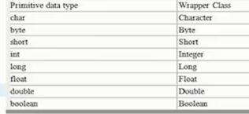

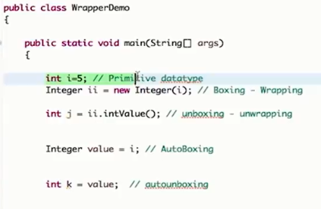

covert Numeric string to Integer

Multi Threading
Runnable(Interface)
Thread(Class)
Thread (Class)
objref.start() - to start a thread
start() will call run() method internally
Delayi.e Thread.sleep() b/w thread required

Runnable(Interface)
We need pass ref in Thread() - constructor
as we cannot do Multiple inhertiance for Class we go for Runnable interface
t2
t1
Main
t2.join
t1.join

Lamda Expreesion
Pre req : anyomnoums class

Join | Is Alive
Main () method waits till exe of thread is done | will check if thread is still working state

Synchronized
To make class Thread safe

